Sheet1
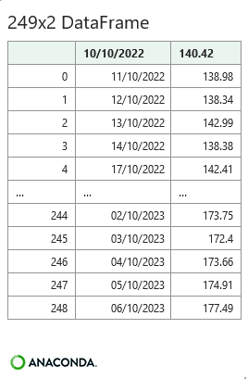
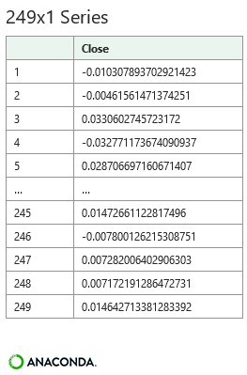
Stock | AAPL | Create Python DataFrame |  | Python Data Frame - Close Data | Python Returns Series
End | 9-Oct-23
Start | 10-Oct-22

Date | Close | Python Shape incl. Header
44844 | 140.42 | 250
44845 | 138.98 | 2
44846 | 138.34
44847 | 142.99 | Python Describe
44848 | 138.38 |  | Close
44851 | 142.41 | count | 250
44852 | 143.75 | mean | 162.64012
44853 | 143.86 | std | 19.015595644
44854 | 143.39 | min | 125.02
44855 | 147.27 | 25% | 147.305
44858 | 149.45 | 50% | 164.215
44859 | 152.34 | 75% | 177.8125
44860 | 149.35 | max | 196.45
44861 | 144.8
44862 | 155.74 | Python Close Prices |  |  | Python Log Returns
44865 | 153.34
44866 | 150.65
44867 | 145.03
44868 | 138.88
44869 | 138.38
44872 | 138.92
44873 | 139.5
44874 | 134.87
44875 | 146.87
44876 | 149.7
44879 | 148.28
44880 | 150.04
44881 | 148.79
44882 | 150.72
44883 | 151.29
44886 | 148.01
44887 | 150.18
44888 | 151.07
44890 | 148.11
44893 | 144.22
44894 | 141.17
44895 | 148.03
44896 | 148.31
44897 | 147.81
44900 | 146.63
44901 | 142.91
44902 | 140.94
44903 | 142.65
44904 | 142.16
44907 | 144.49
44908 | 145.47
44909 | 143.21
44910 | 136.5
44911 | 134.51
44914 | 132.37
44915 | 132.3
44916 | 135.45
44917 | 132.23
44918 | 131.86
44922 | 130.03
44923 | 126.04
44924 | 129.61
44925 | 129.93
44929 | 125.07
44930 | 126.36
44931 | 125.02
44932 | 129.62
44935 | 130.15
44936 | 130.73
44937 | 133.49
44938 | 133.41
44939 | 134.76
44943 | 135.94
44944 | 135.21
44945 | 135.27
44946 | 137.87
44949 | 141.11
44950 | 142.53
44951 | 141.86
44952 | 143.96
44953 | 145.93
44956 | 143
44957 | 144.29
44958 | 145.43
44959 | 150.82
44960 | 154.5
44963 | 151.73
44964 | 154.65
44965 | 151.92
44966 | 150.87
44967 | 151.01
44970 | 153.85
44971 | 153.2
44972 | 155.33
44973 | 153.71
44974 | 152.55
44978 | 148.48
44979 | 148.91
44980 | 149.4
44981 | 146.71
44984 | 147.92
44985 | 147.41
44986 | 145.31
44987 | 145.91
44988 | 151.03
44991 | 153.83
44992 | 151.6
44993 | 152.87
44994 | 150.59
44995 | 148.5
44998 | 150.47
44999 | 152.59
45000 | 152.99
45001 | 155.85
45002 | 155
45005 | 157.4
45006 | 159.28
45007 | 157.83
45008 | 158.93
45009 | 160.25
45012 | 158.28
45013 | 157.65
45014 | 160.77
45015 | 162.36
45016 | 164.9
45019 | 166.17
45020 | 165.63
45021 | 163.76
45022 | 164.66
45026 | 162.03
45027 | 160.8
45028 | 160.1
45029 | 165.56
45030 | 165.21
45033 | 165.23
45034 | 166.47
45035 | 167.63
45036 | 166.65
45037 | 165.02
45040 | 165.33
45041 | 163.77
45042 | 163.76
45043 | 168.41
45044 | 169.68
45047 | 169.59
45048 | 168.54
45049 | 167.45
45050 | 165.79
45051 | 173.57
45054 | 173.5
45055 | 171.77
45056 | 173.555
45057 | 173.75
45058 | 172.57
45061 | 172.07
45062 | 172.07
45063 | 172.69
45064 | 175.05
45065 | 175.16
45068 | 174.2
45069 | 171.56
45070 | 171.84
45071 | 172.99
45072 | 175.43
45076 | 177.3
45077 | 177.25
45078 | 180.09
45079 | 180.95
45082 | 179.58
45083 | 179.21
45084 | 177.82
45085 | 180.57
45086 | 180.96
45089 | 183.79
45090 | 183.31
45091 | 183.95
45092 | 186.01
45093 | 184.92
45097 | 185.01
45098 | 183.96
45099 | 187
45100 | 186.68
45103 | 185.27
45104 | 188.06
45105 | 189.25
45106 | 189.59
45107 | 193.97
45110 | 192.46
45112 | 191.33
45113 | 191.81
45114 | 190.68
45117 | 188.61
45118 | 188.08
45119 | 189.77
45120 | 190.54
45121 | 190.69
45124 | 193.99
45125 | 193.73
45126 | 195.1
45127 | 193.13
45128 | 191.94
45131 | 192.75
45132 | 193.62
45133 | 194.5
45134 | 193.22
45135 | 195.83
45138 | 196.45
45139 | 195.605
45140 | 192.58
45141 | 191.17
45142 | 181.99
45145 | 178.85
45146 | 179.8
45147 | 178.19
45148 | 177.97
45149 | 177.79
45152 | 179.46
45153 | 177.45
45154 | 176.57
45155 | 174
45156 | 174.49
45159 | 175.84
45160 | 177.23
45161 | 181.12
45162 | 176.38
45163 | 178.61
45166 | 180.19
45167 | 184.12
45168 | 187.65
45169 | 187.87
45170 | 189.46
45174 | 189.7
45175 | 182.91
45176 | 177.56
45177 | 178.18
45180 | 179.36
45181 | 176.3
45182 | 174.21
45183 | 175.74
45184 | 175.01
45187 | 177.97
45188 | 179.07
45189 | 175.49
45190 | 173.93
45191 | 174.79
45194 | 176.08
45195 | 171.96
45196 | 170.43
45197 | 170.69
45198 | 171.21
45201 | 173.75
45202 | 172.4
45203 | 173.66
45204 | 174.91
45205 | 177.49

