Financial data (Prices)
Typical time series data in finance

Date | Apple | Tesla | Bitcoin
2022-03-31 | 173.55863953 | 359.20001221 | 45538.675781
2022-04-01 | 173.26043701 | 361.52999878 | 46281.644531
2022-04-04 | 177.36558533 | 381.81668091 | 46622.675781
2022-04-05 | 174.00593567 | 363.75332642 | 45555.992188
2022-04-06 | 170.79536438 | 348.58666992 | 43206.738281
2022-04-07 | 171.10348511 | 352.42001343 | 43503.847656
2022-04-08 | 169.06584167 | 341.82998657 | 42287.664062
2022-04-11 | 164.75198364 | 325.30999756 | 39521.902344
2022-04-12 | 166.65048218 | 328.9833374 | 40127.183594
2022-04-13 | 169.37397766 | 340.79000854 | 41166.730469
2022-04-14 | 164.29475403 | 328.33334351 | 39935.515625
Apple and Tesla Adj Close
 | Apple | Tesla
3/31/2022 | 173.55863953 | 359.20001221
4/1/2022 | 173.26043701 | 361.52999878
4/4/2022 | 177.36558533 | 381.81668091
4/5/2022 | 174.00593567 | 363.75332642
4/6/2022 | 170.79536438 | 348.58666992
4/7/2022 | 171.10348511 | 352.42001343
4/8/2022 | 169.06584167 | 341.82998657
4/11/2022 | 164.75198364 | 325.30999756
4/12/2022 | 166.65048218 | 328.9833374
4/13/2022 | 169.37397766 | 340.79000854
4/14/2022 | 164.29475403 | 328.33334351
4/18/2022 | 164.07608032 | 334.76333618
4/19/2022 | 166.39204407 | 342.7166748
4/20/2022 | 166.22305298 | 325.7333374
4/21/2022 | 165.41793823 | 336.26000977
4/22/2022 | 160.81582642 | 335.0166626
4/25/2022 | 161.89927673 | 332.67333984
4/26/2022 | 155.85588074 | 292.14001465
4/27/2022 | 155.62727356 | 293.83666992
4/28/2022 | 162.65467834 | 292.50332642
4/29/2022 | 156.70074463 | 290.25332642
5/2/2022 | 157.00889587 | 300.98001099
5/3/2022 | 158.51971436 | 303.08334351
5/4/2022 | 165.02035522 | 317.54000854
5/5/2022 | 155.82606506 | 291.09332275
5/6/2022 | 156.56268311 | 288.54998779
5/9/2022 | 151.3664856 | 262.36999512
5/10/2022 | 153.80531311 | 266.67999268
5/11/2022 | 145.83184814 | 244.66667175
5/12/2022 | 141.90982056 | 242.66667175
5/13/2022 | 146.4390564 | 256.52999878
5/16/2022 | 144.8762207 | 241.45666504
5/17/2022 | 148.55934143 | 253.86999512
5/18/2022 | 140.17774963 | 236.60333252
5/19/2022 | 136.72357178 | 236.47332764
5/20/2022 | 136.96246338 | 221.30000305
5/23/2022 | 142.45730591 | 224.96665955
5/24/2022 | 139.71984863 | 209.38667297
5/25/2022 | 139.87911987 | 219.6000061
5/26/2022 | 143.12425232 | 235.91000366
5/27/2022 | 148.95751953 | 253.21000671
5/31/2022 | 148.16116333 | 252.75332642
6/1/2022 | 148.03175354 | 246.78999329
6/2/2022 | 150.52037048 | 258.33334351
6/3/2022 | 144.71694946 | 234.5166626
6/6/2022 | 145.47348022 | 238.27999878
6/7/2022 | 148.03175354 | 238.88667297
6/8/2022 | 147.28518677 | 241.8666687
6/9/2022 | 141.98944092 | 239.70666504
6/10/2022 | 136.50457764 | 232.22999573
...
2022-04-18 | 164.07608032 | 334.76333618 | 40826.214844
2022-04-19 | 166.39204407 | 342.7166748 | 41502.75
2022-04-20 | 166.22305298 | 325.7333374 | 41374.378906
2022-04-21 | 165.41793823 | 336.26000977 | 40527.363281
2022-04-22 | 160.81582642 | 335.0166626 | 39740.320312
2022-04-25 | 161.89927673 | 332.67333984 | 40458.308594
2022-04-26 | 155.85588074 | 292.14001465 | 38117.460938
2022-04-27 | 155.62727356 | 293.83666992 | 39241.121094
2022-04-28 | 162.65467834 | 292.50332642 | 39773.828125
2022-04-29 | 156.70074463 | 290.25332642 | 38609.824219
2022-05-02 | 157.00889587 | 300.98001099 | 38529.328125
2022-05-03 | 158.51971436 | 303.08334351 | 37750.453125
2022-05-04 | 165.02035522 | 317.54000854 | 39698.371094
2022-05-05 | 155.82606506 | 291.09332275 | 36575.140625
Bitcoin Close
 | Bitcoin
3/31/2022 | 45538.675781
4/1/2022 | 46281.644531
4/4/2022 | 46622.675781
4/5/2022 | 45555.992188
4/6/2022 | 43206.738281
4/7/2022 | 43503.847656
4/8/2022 | 42287.664062
4/11/2022 | 39521.902344
4/12/2022 | 40127.183594
4/13/2022 | 41166.730469
4/14/2022 | 39935.515625
4/18/2022 | 40826.214844
4/19/2022 | 41502.75
4/20/2022 | 41374.378906
4/21/2022 | 40527.363281
4/22/2022 | 39740.320312
4/25/2022 | 40458.308594
4/26/2022 | 38117.460938
4/27/2022 | 39241.121094
4/28/2022 | 39773.828125
4/29/2022 | 38609.824219
5/2/2022 | 38529.328125
5/3/2022 | 37750.453125
5/4/2022 | 39698.371094
5/5/2022 | 36575.140625
5/6/2022 | 36040.921875
5/9/2022 | 30296.953125
5/10/2022 | 31022.90625
5/11/2022 | 28936.355469
5/12/2022 | 29047.751953
5/13/2022 | 29283.103516
5/16/2022 | 29862.917969
5/17/2022 | 30425.857422
5/18/2022 | 28720.271484
5/19/2022 | 30314.333984
5/20/2022 | 29200.740234
5/23/2022 | 29098.910156
5/24/2022 | 29655.585938
5/25/2022 | 29562.361328
5/26/2022 | 29267.224609
5/27/2022 | 28627.574219
5/31/2022 | 31726.390625
6/1/2022 | 31792.310547
6/2/2022 | 29799.080078
6/3/2022 | 30467.488281
6/6/2022 | 29704.390625
6/7/2022 | 31370.671875
6/8/2022 | 31155.478516
6/9/2022 | 30214.355469
6/10/2022 | 30111.998047
...
2022-05-06 | 156.56268311 | 288.54998779 | 36040.921875
2022-05-09 | 151.3664856 | 262.36999512 | 30296.953125
2022-05-10 | 153.80531311 | 266.67999268 | 31022.90625
2022-05-11 | 145.83184814 | 244.66667175 | 28936.355469
2022-05-12 | 141.90982056 | 242.66667175 | 29047.751953
2022-05-13 | 146.4390564 | 256.52999878 | 29283.103516
2022-05-16 | 144.8762207 | 241.45666504 | 29862.917969
2022-05-17 | 148.55934143 | 253.86999512 | 30425.857422
2022-05-18 | 140.17774963 | 236.60333252 | 28720.271484
2022-05-19 | 136.72357178 | 236.47332764 | 30314.333984
2022-05-20 | 136.96246338 | 221.30000305 | 29200.740234
2022-05-23 | 142.45730591 | 224.96665955 | 29098.910156
2022-05-24 | 139.71984863 | 209.38667297 | 29655.585938
2022-05-25 | 139.87911987 | 219.6000061 | 29562.361328
2022-05-26 | 143.12425232 | 235.91000366 | 29267.224609
2022-05-27 | 148.95751953 | 253.21000671 | 28627.574219
2022-05-31 | 148.16116333 | 252.75332642 | 31726.390625
2022-06-01 | 148.03175354 | 246.78999329 | 31792.310547
2022-06-02 | 150.52037048 | 258.33334351 | 29799.080078
2022-06-03 | 144.71694946 | 234.5166626 | 30467.488281
2022-06-06 | 145.47348022 | 238.27999878 | 29704.390625
2022-06-07 | 148.03175354 | 238.88667297 | 31370.671875
2022-06-08 | 147.28518677 | 241.8666687 | 31155.478516
2022-06-09 | 141.98944092 | 239.70666504 | 30214.355469
2022-06-10 | 136.50457764 | 232.22999573 | 30111.998047
2022-06-13 | 131.27851868 | 215.73666382 | 29083.804688
2022-06-14 | 132.1545105 | 220.88999939 | 22487.388672
2022-06-15 | 134.81231689 | 233 | 22206.792969
2022-06-16 | 129.46681213 | 213.1000061 | 22572.839844
2022-06-17 | 130.9599762 | 216.75999451 | 20381.650391
2022-06-21 | 135.25032043 | 237.03666687 | 20471.482422
2022-06-22 | 134.73269653 | 236.08666992 | 20710.597656
2022-06-23 | 137.63937378 | 235.07000732 | 19987.029297
2022-06-24 | 141.01391602 | 245.70666504 | 21085.876953
2022-06-27 | 141.01391602 | 244.91999817 | 21231.65625
2022-06-28 | 136.81317139 | 232.66333008 | 20735.478516
2022-06-29 | 138.59500122 | 228.49000549 | 20280.634766
2022-06-30 | 136.09645081 | 224.47332764 | 20104.023438
2022-07-01 | 138.2963562 | 227.26333618 | 19784.726562
2022-07-05 | 140.91436768 | 233.06666565 | 19269.367188
2022-07-06 | 142.26817322 | 231.7333374 | 20190.115234
2022-07-07 | 145.68252563 | 244.54333496 | 20548.246094
2022-07-08 | 146.36936951 | 250.76333618 | 21637.587891
2022-07-11 | 144.20925903 | 234.34333801 | 21731.117188
2022-07-12 | 145.19476318 | 233.07000732 | 19970.556641
2022-07-13 | 144.82644653 | 237.03999329 | 19323.914062
2022-07-14 | 147.79284668 | 238.31333923 | 20212.074219
2022-07-15 | 149.48509216 | 240.06666565 | 20569.919922
2022-07-18 | 146.39924622 | 240.54666138 | 20836.328125
2022-07-19 | 150.31132507 | 245.52999878 | 22485.689453
2022-07-20 | 152.3420105 | 247.5 | 23389.433594
2022-07-21 | 154.64149475 | 271.70666504 | 23231.732422
2022-07-22 | 153.38722229 | 272.24334717 | 23164.628906
2022-07-25 | 152.25242615 | 268.43331909 | 22714.978516
2022-07-26 | 150.90858459 | 258.85998535 | 21361.701172
2022-07-27 | 156.0749054 | 274.82000732 | 21239.753906
2022-07-28 | 156.63235474 | 280.8999939 | 22930.548828
2022-07-29 | 161.76882935 | 297.1499939 | 23843.886719
2022-08-01 | 160.77337646 | 297.27667236 | 23804.632812
2022-08-02 | 159.2802124 | 300.58666992 | 23314.199219
2022-08-03 | 165.37232971 | 307.39666748 | 22978.117188
2022-08-04 | 165.05377197 | 308.6333313 | 22846.507812
2022-08-05 | 164.82450867 | 288.17001343 | 22630.957031
2022-08-08 | 164.34602356 | 290.42333984 | 23289.314453
2022-08-09 | 164.39587402 | 283.33334351 | 23809.486328
2022-08-10 | 168.70214844 | 294.35665894 | 23164.318359
2022-08-11 | 167.95452881 | 286.63000488 | 23947.642578
2022-08-12 | 171.55305481 | 300.02999878 | 23957.529297
2022-08-15 | 172.6395874 | 309.32000732 | 24402.818359
2022-08-16 | 172.48010254 | 306.56332397 | 24136.972656
2022-08-17 | 173.99526978 | 303.99667358 | 23883.291016
2022-08-18 | 173.5965271 | 302.86999512 | 23335.998047
2022-08-19 | 170.97488403 | 296.66665649 | 23212.738281
2022-08-22 | 167.03744507 | 289.91333008 | 20877.552734
2022-08-23 | 166.69851685 | 296.45333862 | 21398.908203
2022-08-24 | 166.99757385 | 297.09667969 | 21528.087891
2022-08-25 | 169.48962402 | 296.07000732 | 21395.019531
2022-08-26 | 163.1000061 | 288.08999634 | 21600.904297
2022-08-29 | 160.86711121 | 284.82000732 | 20260.019531
2022-08-30 | 158.40496826 | 277.70001221 | 20297.994141
2022-08-31 | 156.72033691 | 275.60998535 | 19796.808594
2022-09-01 | 157.45799255 | 277.16000366 | 20049.763672
2022-09-02 | 155.31481934 | 270.20999146 | 20127.140625
2022-09-06 | 154.03889465 | 274.42001343 | 19969.771484
2022-09-07 | 155.46435547 | 283.70001221 | 18837.667969
2022-09-08 | 153.96911621 | 289.26000977 | 19290.324219
2022-09-09 | 156.86985779 | 299.67999268 | 19329.833984
2022-09-12 | 162.91059875 | 304.42001343 | 21381.152344
2022-09-13 | 153.35107422 | 292.13000488 | 22370.449219
2022-09-14 | 154.81640625 | 302.60998535 | 20296.707031
2022-09-15 | 151.88575745 | 303.75 | 20241.089844
2022-09-16 | 150.22106934 | 303.3500061 | 19701.210938
2022-09-19 | 153.98904419 | 309.07000732 | 19772.583984
2022-09-20 | 156.40135193 | 308.73001099 | 19544.128906
2022-09-21 | 153.23146057 | 300.79998779 | 18890.789062
2022-09-22 | 152.2545929 | 288.58999634 | 18547.400391
2022-09-23 | 149.95191956 | 275.32998657 | 19413.550781
2022-09-26 | 150.29084778 | 276.01000977 | 19297.638672
2022-09-27 | 151.2776947 | 282.94000244 | 19222.671875
2022-09-28 | 149.36378479 | 287.80999756 | 19110.546875
2022-09-29 | 142.0271759 | 268.20999146 | 19426.720703
2022-09-30 | 137.76077271 | 265.25 | 19573.050781
2022-10-03 | 141.99728394 | 242.3999939 | 19431.789062
2022-10-04 | 145.63568115 | 249.44000244 | 19623.580078
2022-10-05 | 145.9347229 | 240.80999756 | 20336.84375
2022-10-06 | 144.96780396 | 238.13000488 | 20160.716797
2022-10-07 | 139.64477539 | 223.07000732 | 19955.443359
2022-10-10 | 139.97373962 | 222.96000671 | 19546.849609
2022-10-11 | 138.53829956 | 216.5 | 19141.484375
2022-10-12 | 137.90032959 | 217.24000549 | 19051.417969
2022-10-13 | 142.53556824 | 221.72000122 | 19157.445312
2022-10-14 | 137.94021606 | 204.99000549 | 19382.904297
2022-10-17 | 141.95741272 | 219.3500061 | 19185.65625
2022-10-18 | 143.29315186 | 220.19000244 | 19550.757812
2022-10-19 | 143.40280151 | 222.03999329 | 19334.416016
2022-10-20 | 142.93429565 | 207.27999878 | 19139.535156
2022-10-21 | 146.80195618 | 214.44000244 | 19053.740234
2022-10-24 | 148.97502136 | 211.25 | 19172.46875
2022-10-25 | 151.85585022 | 222.41999817 | 19345.572266
2022-10-26 | 148.87535095 | 224.63999939 | 20095.857422
2022-10-27 | 144.33981323 | 225.08999634 | 20770.441406
2022-10-28 | 155.24505615 | 228.52000427 | 20285.835938
2022-10-31 | 152.85267639 | 227.53999329 | 20595.351562
2022-11-01 | 150.17121887 | 227.82000732 | 20495.773438
2022-11-02 | 144.56907654 | 214.97999573 | 20485.273438
2022-11-03 | 138.43862915 | 215.30999756 | 20159.503906
2022-11-04 | 138.16903687 | 207.47000122 | 20209.988281
2022-11-07 | 138.70820618 | 197.08000183 | 21147.230469
2022-11-08 | 139.28733826 | 191.30000305 | 20602.816406
...

Financial data (Returns)
...
Date | Apple | Tesla | Bitcoin
2022-04-01 | -0.002 | 0.006 | 0.016
2022-04-04 | 0.024 | 0.056 | 0.007
2022-04-05 | -0.019 | -0.047 | -0.023
2022-04-06 | -0.018 | -0.042 | -0.052
2022-04-07 | 0.002 | 0.011 | 0.007
2022-04-08 | -0.012 | -0.030 | -0.028
2022-04-11 | -0.026 | -0.048 | -0.065
2022-04-12 | 0.012 | 0.011 | 0.015
2022-04-13 | 0.016 | 0.036 | 0.026
2022-04-14 | -0.030 | -0.037 | -0.030
Apple | Tesla | Bitcoin
 | Apple | Tesla | Bitcoin
4/1/2022 | -0.002 | 0.006 | 0.016
4/4/2022 | 0.024 | 0.056 | 0.007
4/5/2022 | -0.019 | -0.047 | -0.023
4/6/2022 | -0.018 | -0.042 | -0.052
4/7/2022 | 0.002 | 0.011 | 0.007
4/8/2022 | -0.012 | -0.030 | -0.028
4/11/2022 | -0.026 | -0.048 | -0.065
4/12/2022 | 0.012 | 0.011 | 0.015
4/13/2022 | 0.016 | 0.036 | 0.026
4/14/2022 | -0.030 | -0.037 | -0.030
4/18/2022 | -0.001 | 0.020 | 0.022
4/19/2022 | 0.014 | 0.024 | 0.017
4/20/2022 | -0.001 | -0.050 | -0.003
4/21/2022 | -0.005 | 0.032 | -0.020
4/22/2022 | -0.028 | -0.004 | -0.019
4/25/2022 | 0.007 | -0.007 | 0.018
4/26/2022 | -0.037 | -0.122 | -0.058
4/27/2022 | -0.001 | 0.006 | 0.029
4/28/2022 | 0.045 | -0.005 | 0.014
4/29/2022 | -0.037 | -0.008 | -0.029
5/2/2022 | 0.002 | 0.037 | -0.002
5/3/2022 | 0.010 | 0.007 | -0.020
5/4/2022 | 0.041 | 0.048 | 0.052
5/5/2022 | -0.056 | -0.083 | -0.079
5/6/2022 | 0.005 | -0.009 | -0.015
5/9/2022 | -0.033 | -0.091 | -0.159
5/10/2022 | 0.016 | 0.016 | 0.024
5/11/2022 | -0.052 | -0.083 | -0.067
5/12/2022 | -0.027 | -0.008 | 0.004
5/13/2022 | 0.032 | 0.057 | 0.008
5/16/2022 | -0.011 | -0.059 | 0.020
5/17/2022 | 0.025 | 0.051 | 0.019
5/18/2022 | -0.056 | -0.068 | -0.056
5/19/2022 | -0.025 | -0.001 | 0.056
5/20/2022 | 0.002 | -0.064 | -0.037
5/23/2022 | 0.040 | 0.017 | -0.003
5/24/2022 | -0.019 | -0.069 | 0.019
5/25/2022 | 0.001 | 0.049 | -0.003
5/26/2022 | 0.023 | 0.074 | -0.010
5/27/2022 | 0.041 | 0.073 | -0.022
5/31/2022 | -0.005 | -0.002 | 0.108
6/1/2022 | -0.001 | -0.024 | 0.002
6/2/2022 | 0.017 | 0.047 | -0.063
6/3/2022 | -0.039 | -0.092 | 0.022
6/6/2022 | 0.005 | 0.016 | -0.025
6/7/2022 | 0.018 | 0.003 | 0.056
6/8/2022 | -0.005 | 0.012 | -0.007
6/9/2022 | -0.036 | -0.009 | -0.030
6/10/2022 | -0.039 | -0.031 | -0.003
6/13/2022 | -0.038 | -0.071 | -0.034
...
2022-04-18 | -0.001 | 0.020 | 0.022
2022-04-19 | 0.014 | 0.024 | 0.017
2022-04-20 | -0.001 | -0.050 | -0.003
2022-04-21 | -0.005 | 0.032 | -0.020
2022-04-22 | -0.028 | -0.004 | -0.019
2022-04-25 | 0.007 | -0.007 | 0.018
2022-04-26 | -0.037 | -0.122 | -0.058
2022-04-27 | -0.001 | 0.006 | 0.029
2022-04-28 | 0.045 | -0.005 | 0.014
2022-04-29 | -0.037 | -0.008 | -0.029
2022-05-02 | 0.002 | 0.037 | -0.002
2022-05-03 | 0.010 | 0.007 | -0.020
2022-05-04 | 0.041 | 0.048 | 0.052
2022-05-05 | -0.056 | -0.083 | -0.079
2022-05-06 | 0.005 | -0.009 | -0.015
2022-05-09 | -0.033 | -0.091 | -0.159
2022-05-10 | 0.016 | 0.016 | 0.024
2022-05-11 | -0.052 | -0.083 | -0.067
2022-05-12 | -0.027 | -0.008 | 0.004
2022-05-13 | 0.032 | 0.057 | 0.008
2022-05-16 | -0.011 | -0.059 | 0.020
2022-05-17 | 0.025 | 0.051 | 0.019
2022-05-18 | -0.056 | -0.068 | -0.056
2022-05-19 | -0.025 | -0.001 | 0.056
2022-05-20 | 0.002 | -0.064 | -0.037
2022-05-23 | 0.040 | 0.017 | -0.003
2022-05-24 | -0.019 | -0.069 | 0.019
2022-05-25 | 0.001 | 0.049 | -0.003
2022-05-26 | 0.023 | 0.074 | -0.010
2022-05-27 | 0.041 | 0.073 | -0.022
2022-05-31 | -0.005 | -0.002 | 0.108
2022-06-01 | -0.001 | -0.024 | 0.002
2022-06-02 | 0.017 | 0.047 | -0.063
2022-06-03 | -0.039 | -0.092 | 0.022
2022-06-06 | 0.005 | 0.016 | -0.025
...

Distribution of data
...
Frequency Distribution/Histogram
 | Stock Return | Frequency
 | -2.0% | 2
 | -1.0% | 2
 | 0.0% | 0
 | 1.0% | 3
 | 2.0% | 3
 | 3.0% | 2
 | Total | 12
...
Probability Distribution
 | Stock Return | Probability
 | -2.0% | 0.167
 | -1.0% | 0.167
 | 0.0% | 0.000
 | 1.0% | 0.250
 | 2.0% | 0.250
 | 3.0% | 0.167
 | Total | 1
...
 | Simple

 | TSLA Adjusted Close Price
24-May-22 | 200
25-May-22 | 220
...

Variance & SD1
...
RAW DATA |  |  | PROBABILITY DISTRIBUTION
 | variance | 0.0003021
...
RAW DATA |  |  | PROBABILITY DISTRIBUTION
 | std deviation | 1.738%
...
$${(x_i−μ)}^{2}$$
$${ p_i(x_i−μ)}^{2}$$
RAW DATA |  |  | PROBABILITY DISTRIBUTION
 |  | PROBABILITY DISTRIBUTION
 |  | Stock Return(X) | Probability(p_i) | (x_i-μ)
 |  | -1% | 0.16667 | -1.7500% | 0.0306% | 0.00510%
 |  | -2% | 0.16667 | -2.75% | 0.0756% | 0.01260%
 |  | 1% | 0.25000 | 0.25% | 0.0006% | 0.00016%
 |  | 2% | 0.25000 | 1.25% | 0.0156% | 0.00391%
 |  | 3% | 0.16667 | 2.25% | 0.0506% | 0.00844%
 |  | Total | 1 |  |  | 0.03021%

 |  | Variance using Excel's built-in formula |  | 0.03021%
...

Sample SD
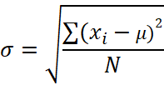 POPULATION SD | 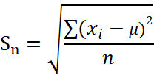 SAMPLE SD WHEN POPULATION MEAN IS KNOWN

 | 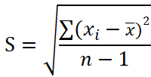 SAMPLE SD WHEN POPULATION MEAN IS NOT KNOWN
...

Skewness-Kurtosis example
Given the below information, would you choose to invest in Stock A or Stock B?

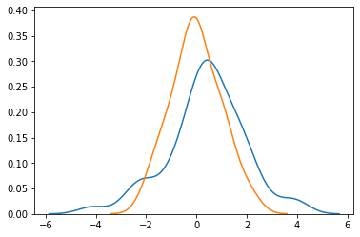

 | Stock A | Stock B
Mean | 0.38% | 0.38%
Standard deviation | 1.57% | 1.57%

Skewness - Kurtosis concept
SKEWNESS

Which 'side' has longer tails?

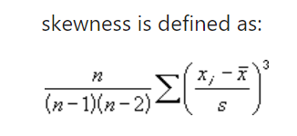

- long tail in the positive direction | A perfectly symmetric distribution has a skewness value of 0 | - long tail in the negative direction
- Extreme values towards the positive end of a distribution |  | - Extreme values towards the negative end

KURTOSIS
Which distribution has the highest amount of observations lying in the tails?

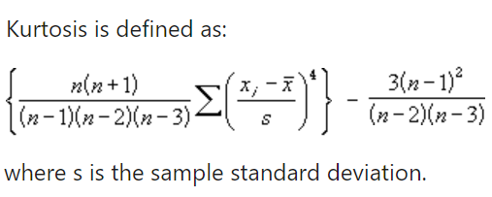
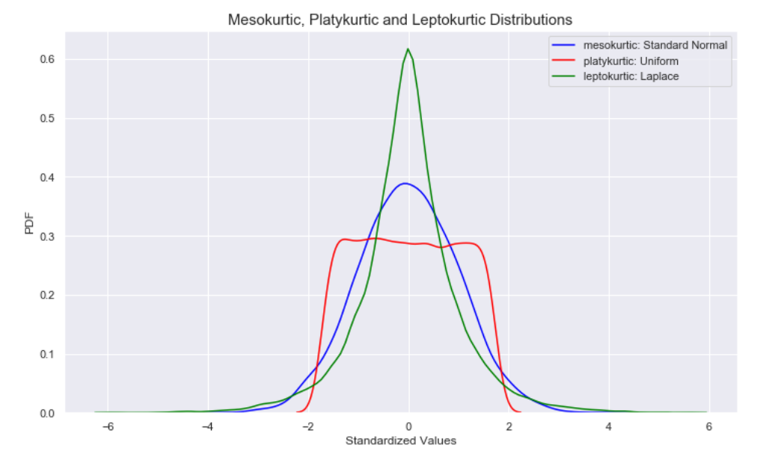

Skewness-Kurtosis example(2)
Given the below information, would you choose to invest in Stock A or Stock B?

 | Stock A | Stock B
Mean | 0.38% | 0.38%
Standard deviation | 1.57% | 1.57%
Skewness | -0.291 | 0.12
Kurtosis | 3.89 | 2.34
...

Covariance Correlation
...
 |  |  |  | -0.00015806818182

 |  |  |  | When two stocks tend to move together, they are seen as having a positive covariance; when they move inversely, the covariance is negative.

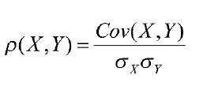

 |  |  |  | -0.99321003681
 | lies between -1 and +1

Note: Correlation does not signify causation.

 |  |  | Apple and Tesla | Apple and Bitcoin | Tesla and Bitcoin
 |  | Covariance | 0.000573 | 0.000056 | 0.000137
 |  | Correlation | 0.604780 | 0.060819 | 0.079512

Normal Distribution
NORMAL DISTRIBUTION

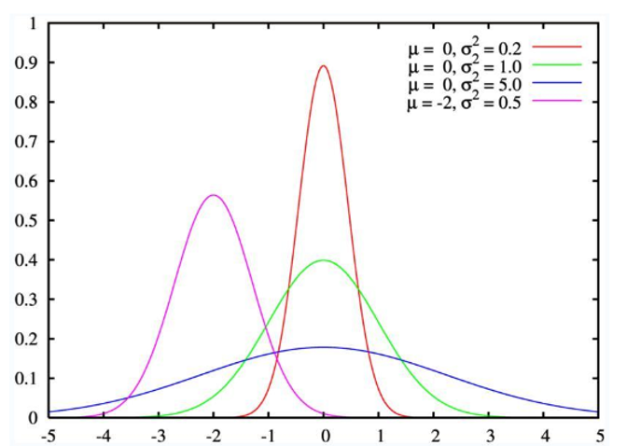

 | Mean +/- standard deviations | Percentage of data contained
 | 1 | 68.00%
 | 2 | 95.00%
 | 3 | 99.70%

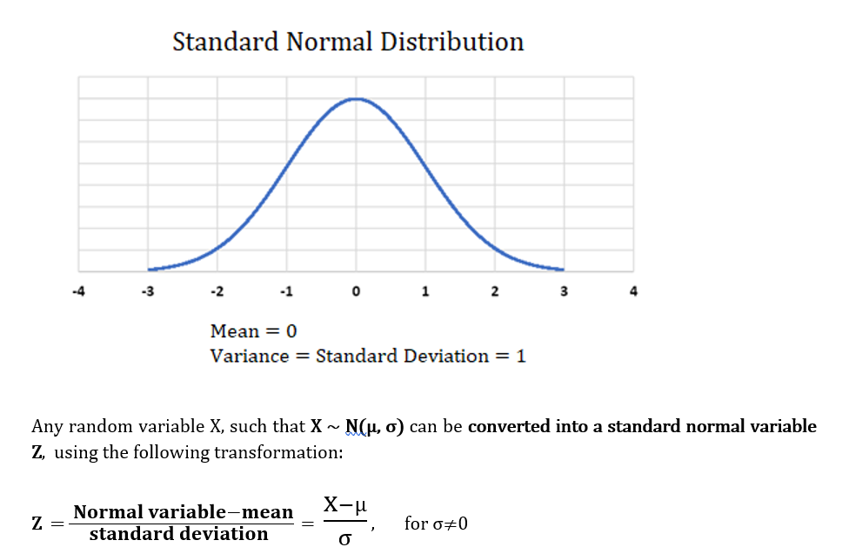

 | NORM.DIST = It will calculate the probability that variable x falls below or at a specified value

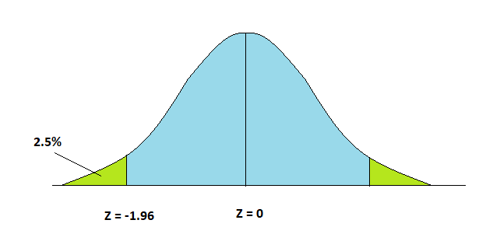
 | Z- value range | Area under the curve
 | - ∞ to -1.96 | 2.50%
 | -1.96 to 0 | 47.50%
 | 0 to 1.96 | 47.50%
 | 1.96 to ∞ | 2.50%

